Assignment
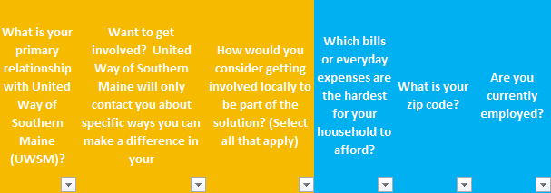
Data Background
This dataset is 3 different surveys, merged together.
Orange is the Full Survey and the abbreviated survey responses. -->
Blue is a survey sent to program participants who are ALICE. -->
They share demographic questions.
Demographic questions were optional.

Cleaning & Coding Instructions
See "Codebook" tab for details.
You can also apply a new coding structure as specified in the Codebook. This may involve:
Adding new categories, subcategories, or codes to capture emerging themes
Applying a second coding layer for a different analytical perspective (e.g., sentiment, source, or level of impact)

Analysis Instructions
Research Questions:
What are the most pressing challenges and unmet needs identified by community members in Southern Maine?
How do challenges differ by ALICE status?
Are certain challenges more prominent for specific age groups?
Do reported challenges vary by race or ethnicity?
Are certain challenges more prominent for specific age groups?
How do challenges vary between counties?
Do reported challenges vary by connection to United Way?

How do community members want to engage to shape decisions and drive change in their communities?
What types of engagement do residents prefer (e.g., volunteering, advocacy, community meetings)?
How does interest in engagement differ by ALICE status?
How does engagement interest vary by age group?
Are there differences in engagement preferences across racial or ethnic groups?
Do engagement preferences vary by county?
Does engagement vary by degree of connection to United Way?

Which communities are feeling unheard?
Which demographic groups (by race/ethnicity, age, income/ALICE status, or language) report feeling less heard or less connected to decision-making?
Are there differences in feelings of being heard across counties or geographic areas?
What challenges do these unheard community members highlight, as compared to hear community members?
How do experiences of feeling unheard relate to the challenges and unmet needs identified by respondents?
Does engagement vary by degree of connection to United Way?
How do unheard communities want to get involved?

For the ALICE Voices Survey: What the prominent challenges, supports needed, and goals of these lower income households?
What are the demographics of ALICE households?
What are their most challenging bills to pay?
Where do they want to be in 5 years?
How do ALICE households want to get involved?

Activities:
•Clean and code raw survey data into a usable dataset.
•Create thematic coding for open ended responses.
•Explore the possible integration of other data sets to complete the picture of community need in Southern Maine.
•Conduct statistical comparisons between groups (e.g., ALICE vs. non-ALICE).
•Create accessible charts and visualizations that clearly show overall summaries, and then differences/ similarities between groups.
•Use open ended responses to highlight quotes that can offer context and nuance.
•Filter out responses from counties outside of Cumberland and York.

Deliverables:
•Provide a summary report of:
•Top community challenges overall, with quotes from open ended responses.
•Key findings by group (Cumberland vs. York, ALICE vs. Non ALICE), with quotes from open ended responses.
•Can be a short report or slide deck that communicates results to a non-technical audience.

Stretch Goal Opportunities:
•Conduct deeper statistical analysis (e.g., Cohen’s d, chi-square, regression) to measure group differences and understand correlations between variables.
•Create story-driven infographics that bring data to life and make findings easy to share with the public.

